Sheet3
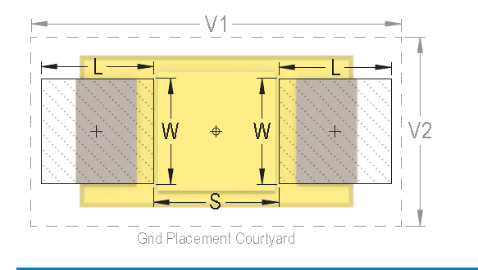

9.12 | 5.1 | 3.87 | 2.37
4.56 | 2.55 | 1.935 | 1.185 | 3.12

 |  | 2.43
 |  | 1.215

7.6 | 4.6
3.8 | 2.3

